Age vs Loyalty
age_group | High | Low | Medium
19-35 | 68 | 78 | 104
36-60 | 109 | 97 | 135
60+ | 118 | 126 | 165

Gender vs Loyalty
gender | High | Low | Medium
Female | 161 | 156 | 180
Male | 134 | 145 | 224

Geo vs Loyalty
geographic_location | High | Low | Medium
Rural | 75 | 101 | 128
Suburban | 110 | 92 | 142
Urban | 110 | 108 | 134

Visits vs Loyalty
visits_bin | High | Low | Medium
1 | 15 | 16 | 19

ServiceMetrics by Loyalty
loyalty_band | facility_ratings | appointment_adherence | follow-up_compliance
High | 3.1536587524 | 0.74992663522 | 0.74694129386
Low | 2.9470978049 | 0.75098464018 | 0.73848365799
Medium | 3.0445575516 | 0.74638392697 | 0.75394132829
 | High | Low | Medium
facility_ratings | 3.1536587524 | 2.9470978049 | 3.0445575516
appointment_adherence | 0.74992663522 | 0.75098464018 | 0.74638392697
follow-up_compliance | 0.74694129386 | 0.73848365799 | 0.75394132829

Referral Distribution
referral_source | count
Online Search | 261
Advertisement | 259
Walk-in | 249
Referral | 231

Dashboard
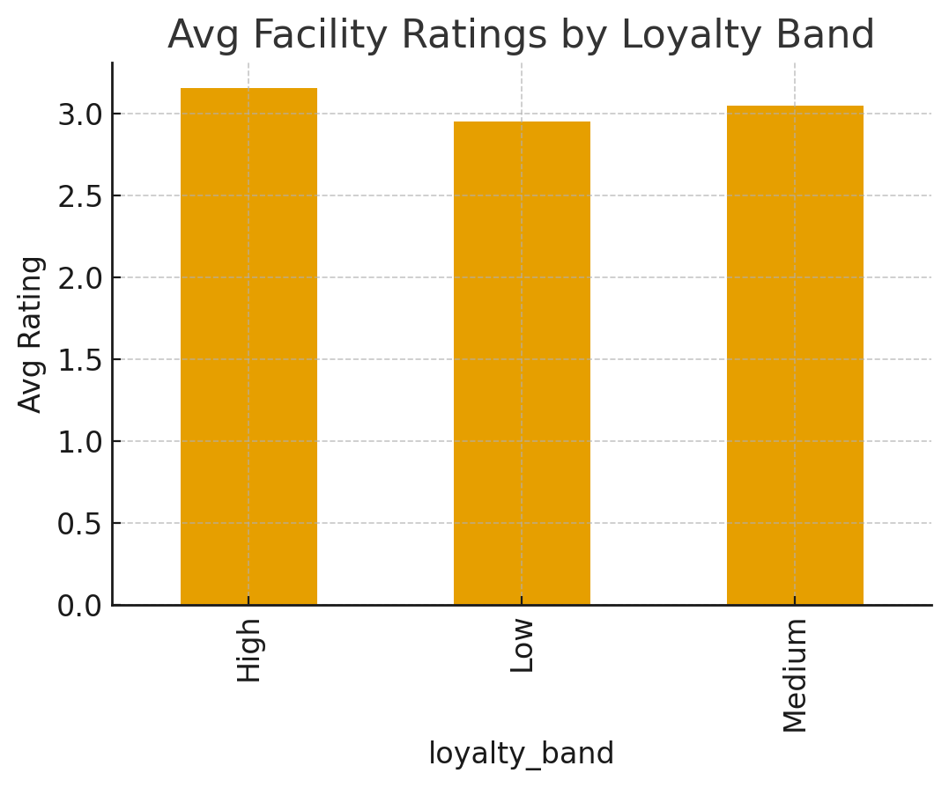
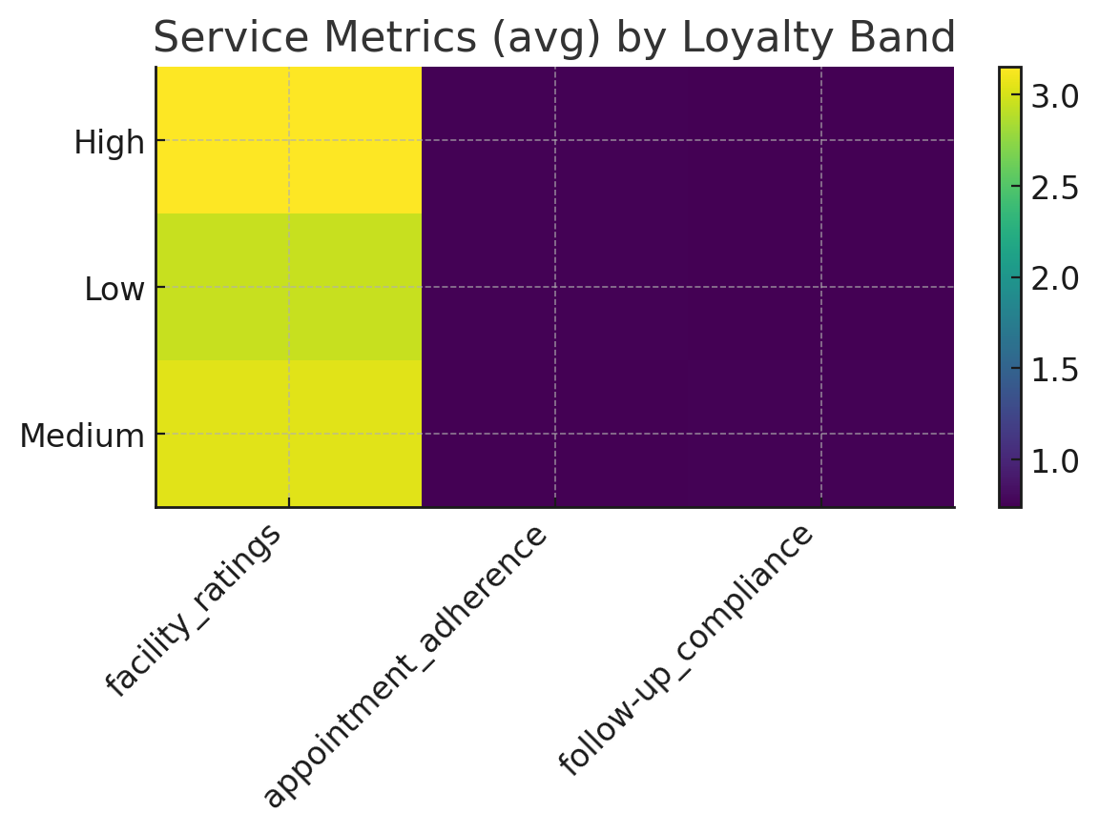
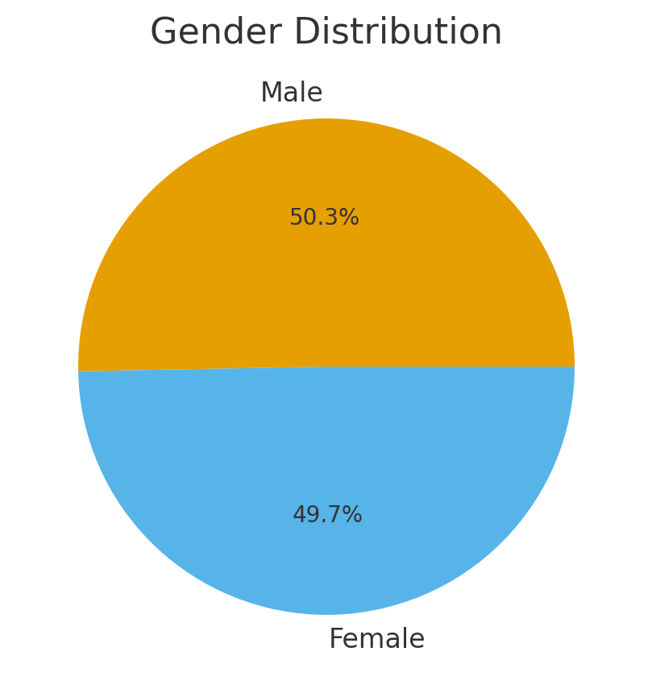
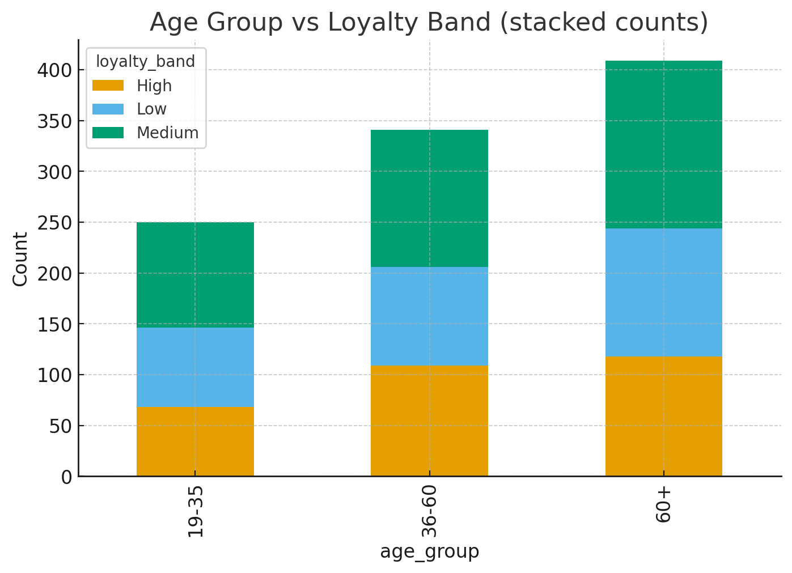
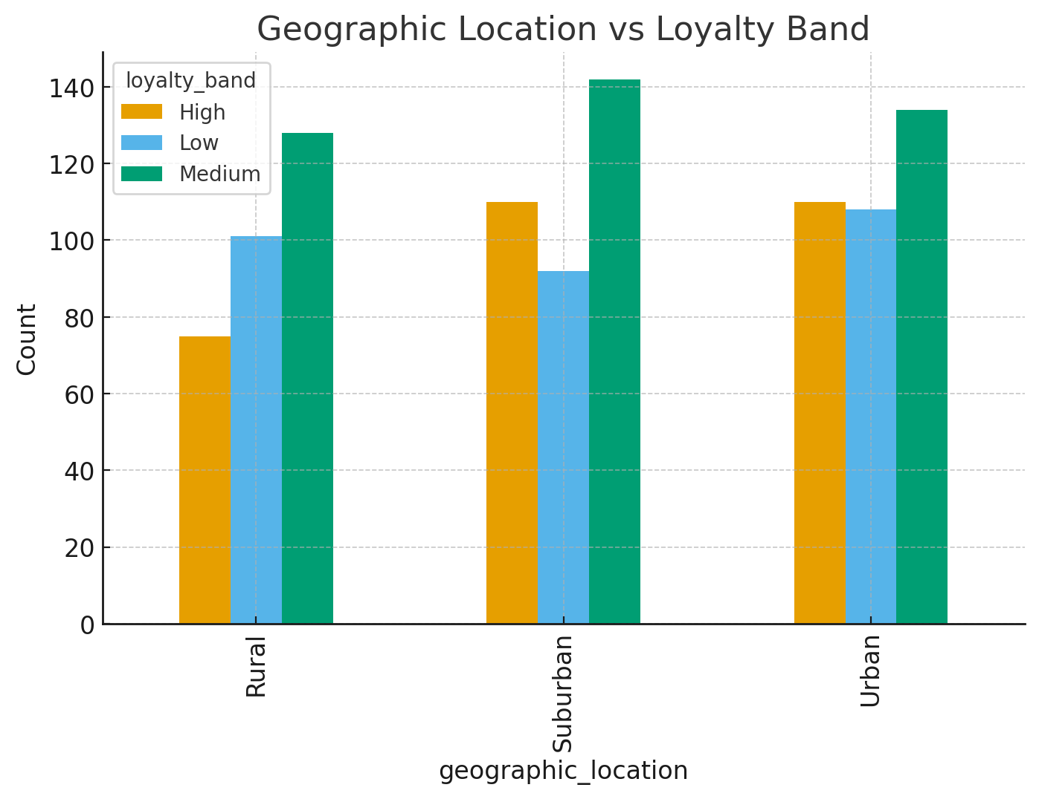
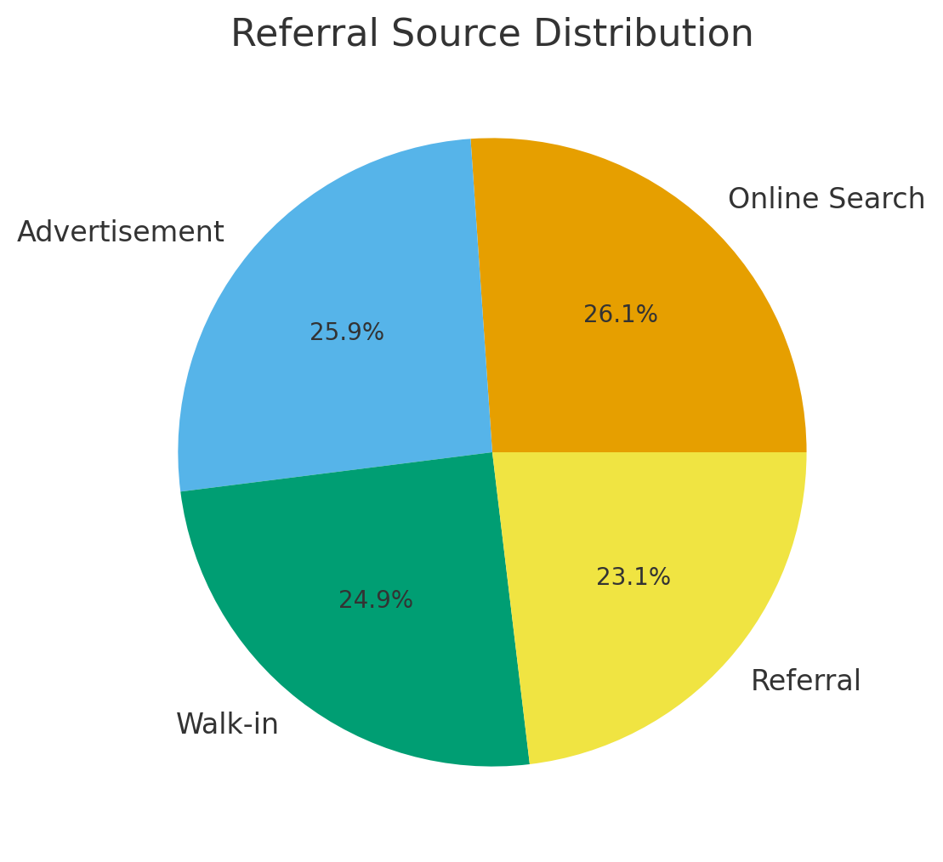
KPI | Value
Total Patients | 1000
Avg Facility Rating | 3.05
Avg Wait Time (min) | N/A
Avg Appointment Adherence | 0.749
Top Referral Source | Online Search

